Overview
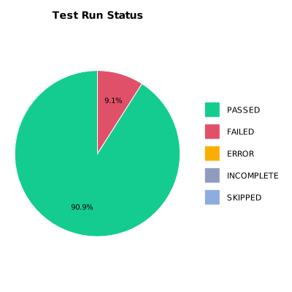
EXECUTION SUMMARY
Test Run ID | 766
Status | FAILED
Organization | FIT@HCMUS
Team | First Team
Project | First Project
By | Trinh Thi Tuyet Nhung
Start Time | 01/07/2024 10:07:26 +00:00
Duration | 0:05:53.839

TEST RESULTS
Total test results | 22
Passed | 20
Failed | 2
Error | 0
Incomplete | 0
Skipped | 0

